Runner's details
Name: | Craig |  |  | Enter your name
Surname: | Bannan |  |  | Enter your surname
Race No.: | 39305 |  |  | Enter your Comrades race no. confirmed in the email you received from Comrades
Seeding: | E |  |  | Select your seeding from the list box confirmed in the email you received from Comrades
 | Hours | : | Minutes
Expected time: | 11 | : | 00 | Enter the time you are targeting

Photo: | 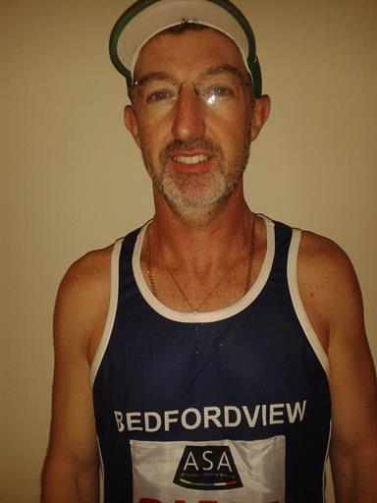 Paste photo here

